Inventory_KIDS
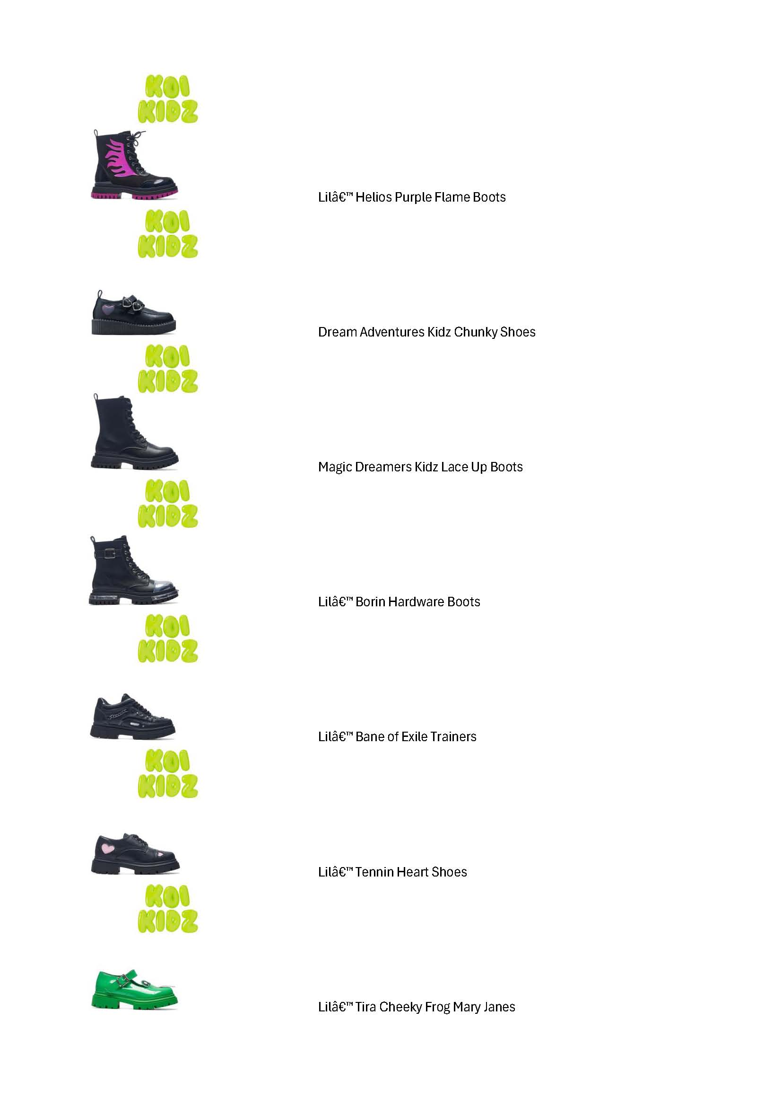
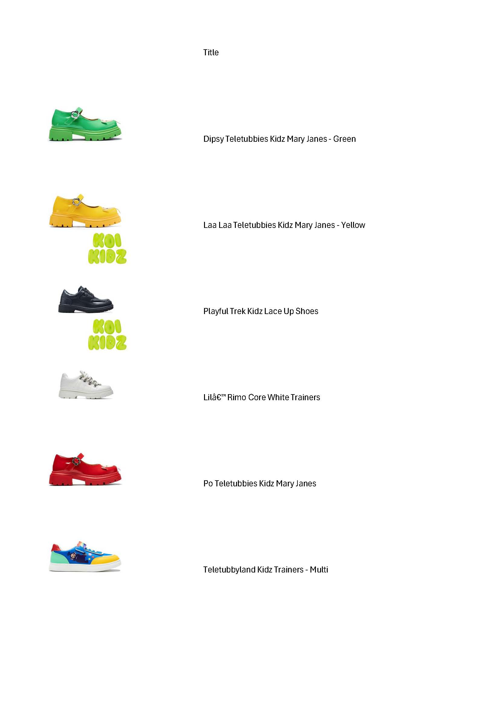
Title | Color | UK10 | UK11 | UK12 | UK13 | UK1 | UK2 | UK3
Dipsy Teletubbies Kidz Mary Janes - Green | Green | 46 | 97 | 98 | 117 | 99 | 92 | 38
Dream Adventures Kidz Chunky Shoes | Black | 12 | 58 | 91 | 106 | 66 | 23 | 10
Flutter Jump Kidz Flower Mary Jane Shoes | Black | 0 | 41 | 82 | 62 | 56 | 11 | 0
Glitter Trumpets Teletubbies Kidz Sandals - White | White | 43 | 95 | 97 | 118 | 101 | 74 | 42
Home Hill Teletubbies Kidz Boots - Blue | Blue | 36 | 95 | 34 | 21 | 25 | 46 | 32
Laa Laa Teletubbies Kidz Mary Janes - Yellow | Yellow | 45 | 98 | 95 | 118 | 100 | 74 | 33
Lilâ€™ Bane of Exile Trainers | Black | 16 | 75 | 100 | 109 | 74 | 48 | 0
Lilâ€™ Borin Hardware Boots | Black | 35 | 89 | 108 | 122 | 80 | 18 | 0
Lilâ€™ Helios Purple Flame Boots | Black | 0 | 42 | 54 | 34 | 32 | 0 | 0
Lilâ€™ Hydra Kawaii Boots | Pink | 0 | 50 | 72 | 59 | 54 | 0 | 0
Lilâ€™ Rimo Core Black Trainers | Black | 19 | 76 | 111 | 103 | 72 | 24 | 0
Lilâ€™ Rimo Core White Trainers | White | 24 | 78 | 111 | 111 | 90 | 42 | 12
Lilâ€™ Tennin Heart Shoes | Black | 28 | 71 | 89 | 101 | 71 | 15 | 0
Lilâ€™ Tira Cheeky Frog Mary Janes | Green | 19 | 88 | 103 | 116 | 71 | 11 | 0
Lovebug Meadow Kidz Mary Jane Shoes | Black | 31 | 72 | 105 | 105 | 58 | 6 | 0
Magic Dreamers Kidz Lace Up Boots | Black | 30 | 94 | 100 | 0 | 65 | 3 | 0
Playful Trek Kidz Lace Up Shoes | Black | 45 | 85 | 128 | 127 | 88 | 48 | 35
Po Teletubbies Kidz Mary Janes | Red | 34 | 92 | 92 | 113 | 100 | 65 | 29
Teletubbies Superdrome Kidz Boots - Black | Black | 27 | 83 | 89 | 111 | 88 | 65 | 24
Teletubbyland Kidz Trainers - Multi | Multi | 39 | 92 | 91 | 118 | 100 | 72 | 40
Tinky Winky Teletubbies Kidz Mary Janes - Purple | Purple | 42 | 94 | 93 | 117 | 97 | 69 | 40
Tubby Bye Bye Teletubbies Kidz Sandals - Multi | Multi | 0 | 0 | 0 | 0 | 0 | 0 | 0
Tubbytronic Teletubbies Kidz Dipsy Head Boots | Black | 45 | 92 | 95 | 116 | 99 | 72 | 44
Totals |  | 616 | 1757 | 2038 | 2104 | 1686 | 878 | 379 | 9458
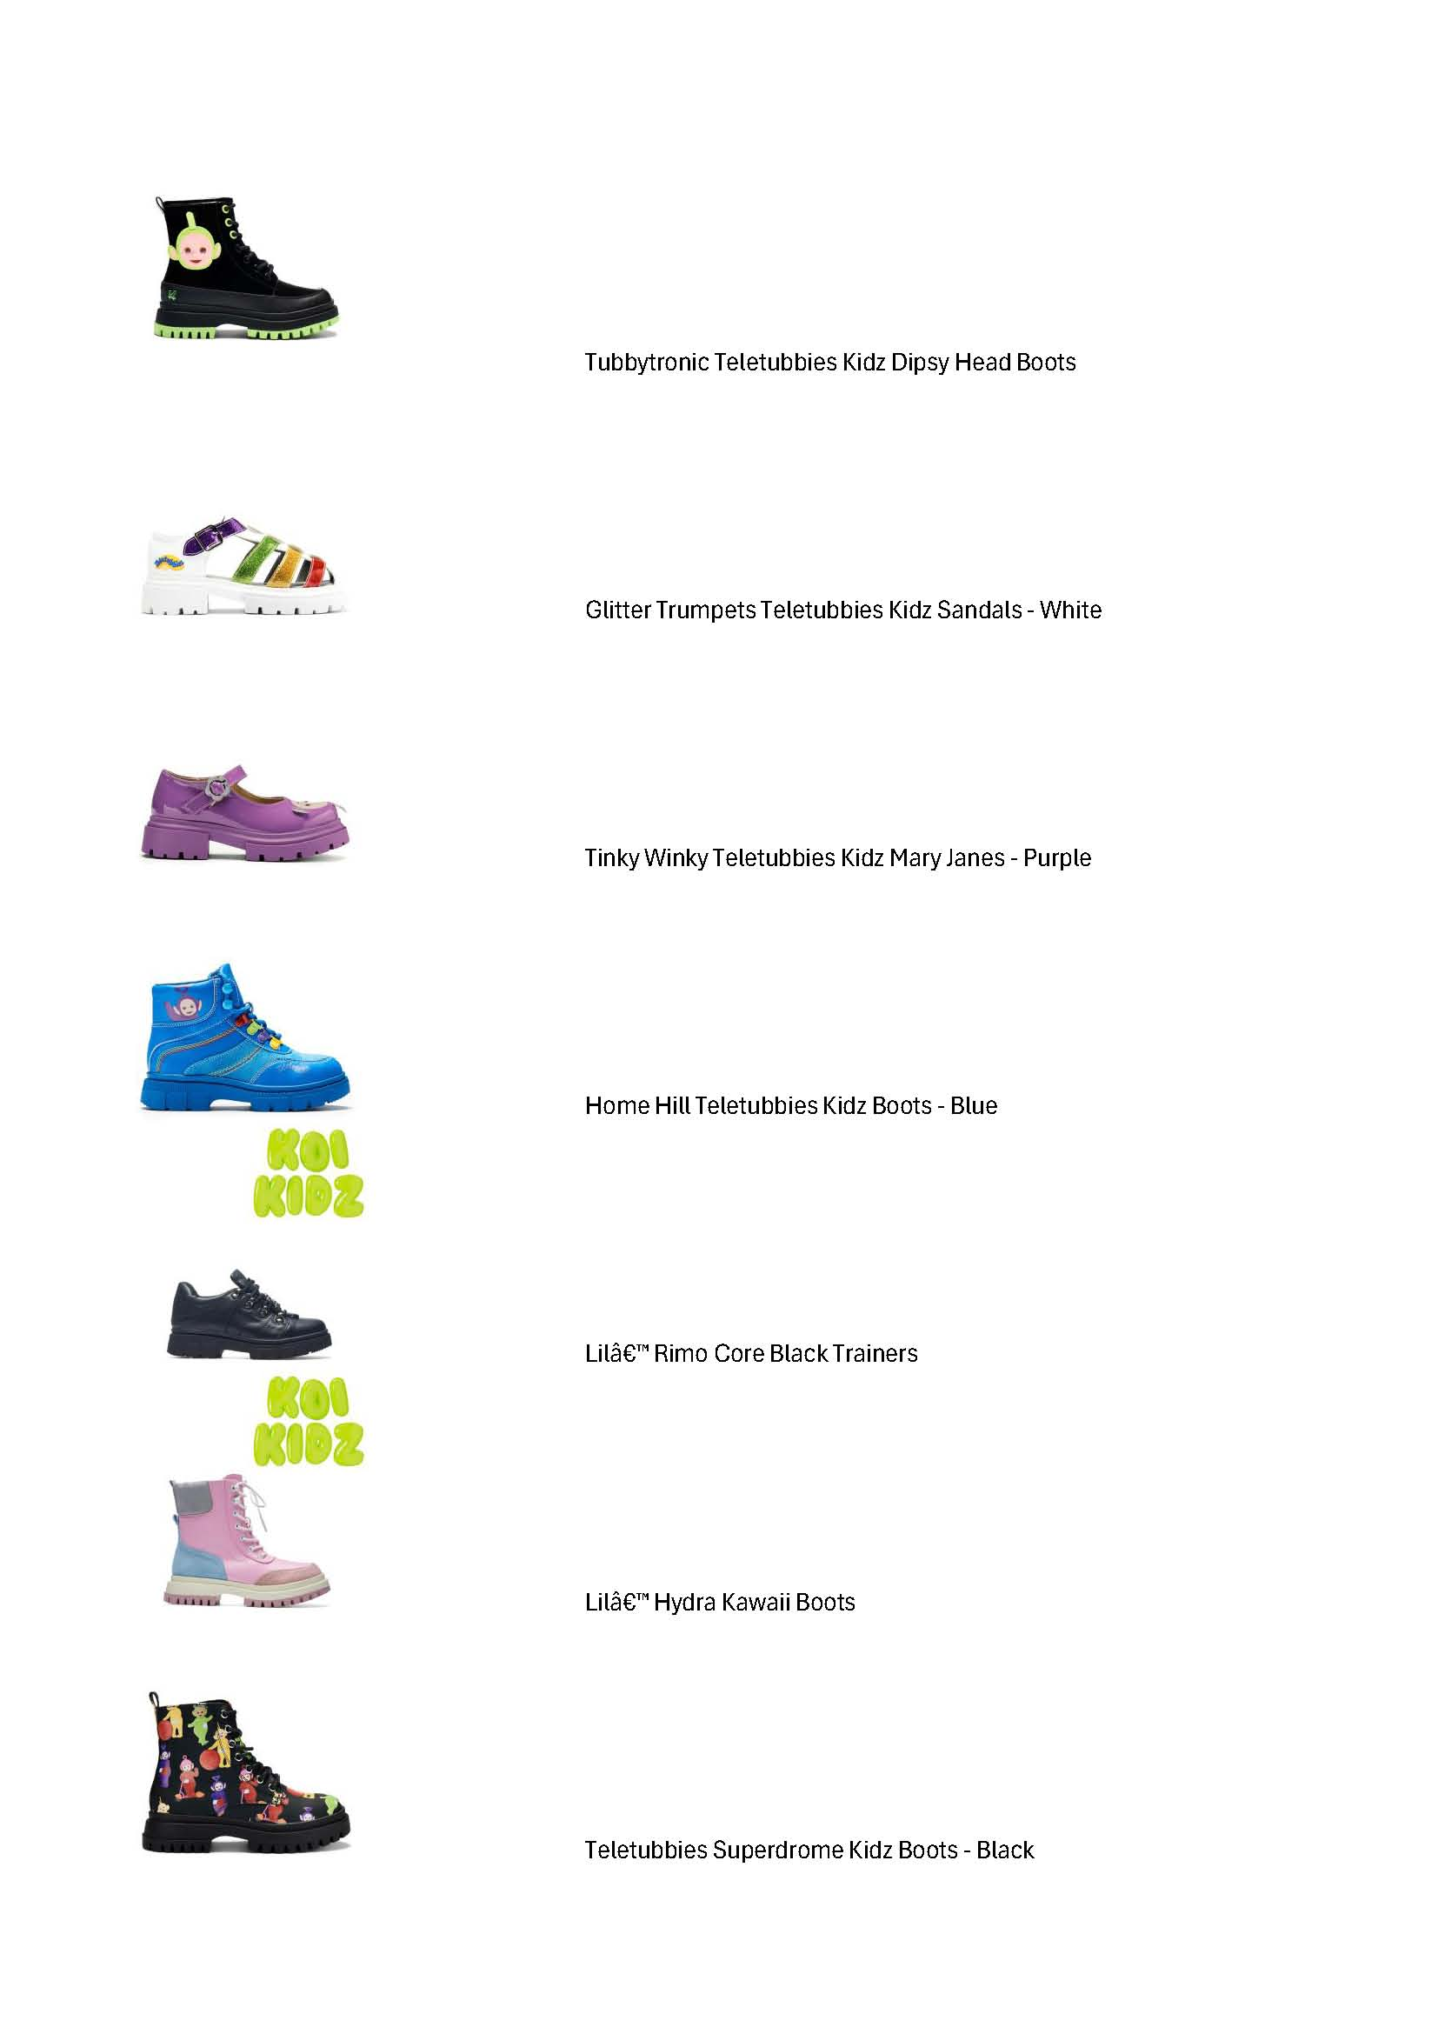
 |  |  |  |  |  |  |  |  | Grand Total

